Sheet1
 |  | Document No. | Issue No. |  | Issue Date |  | Review and Replace Date |  | Authorised By
 |  | GFF002MC | 2 |  | 08.04.2022 |  | 12.07.2023
 |  | Document Title | GC- 10 Chicken Tikka Samosa | 750G
 |  |  |  |  |  |  |  |  | Magda Shah
Document amendments reason for change |  | Packaging changed (tray & flim)and put labels in high risk if they packed the product on GTR machine. | Page 1 of 1 |  |  | Previous Issue Date |  | 08.04.2022 | Uncontrolled copy unless signed original

CCSAM-B10T | Gazebo (BULK-SNACKS) |  | GC- 10 Chicken Tikka Samosa | 750G
STEP 1 |  |  |  |  |  | STEP 2
 |  |  |  |  |  |  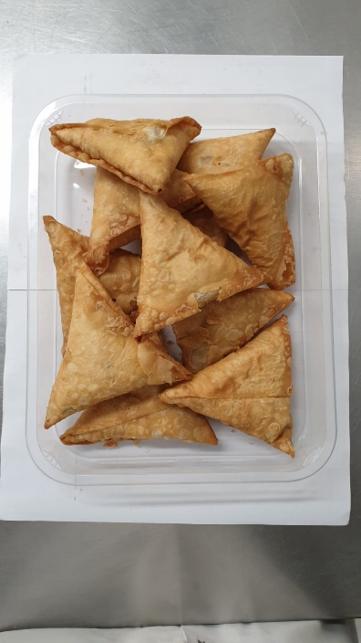

Tray: HW308/60 open ECO tray- (PKLEE001-09) |  |  |  |  |  | Chicken Tikka Samosa Large (GFF004R): 75g (1X10 Units)-750g
Film: K Peel RPSM 25µm (340mmX1000lm)-(PKKMP001-05)
STEP 3
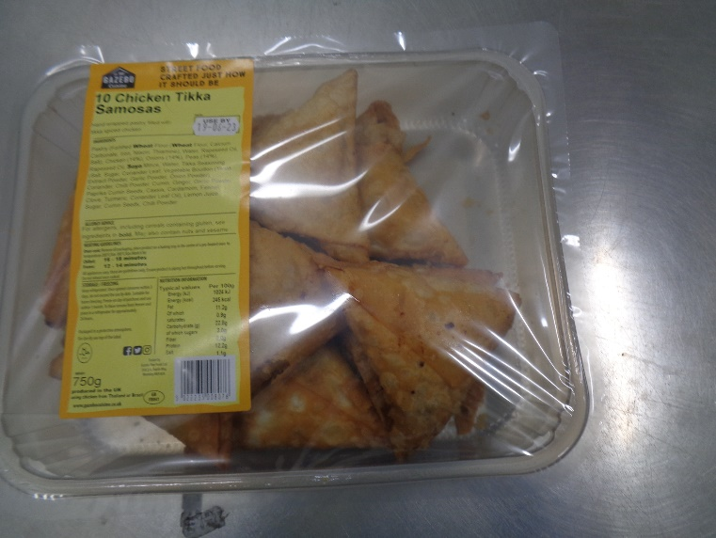 |  |  |  | 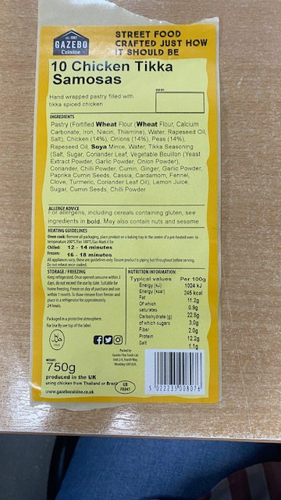

Label: 10 Chicken Tikka Samosa -Barcode: 8076
TOTAL WEIGHT: 750g

ALLERGY ALERT: WHEAT, SOYA

